Group Members
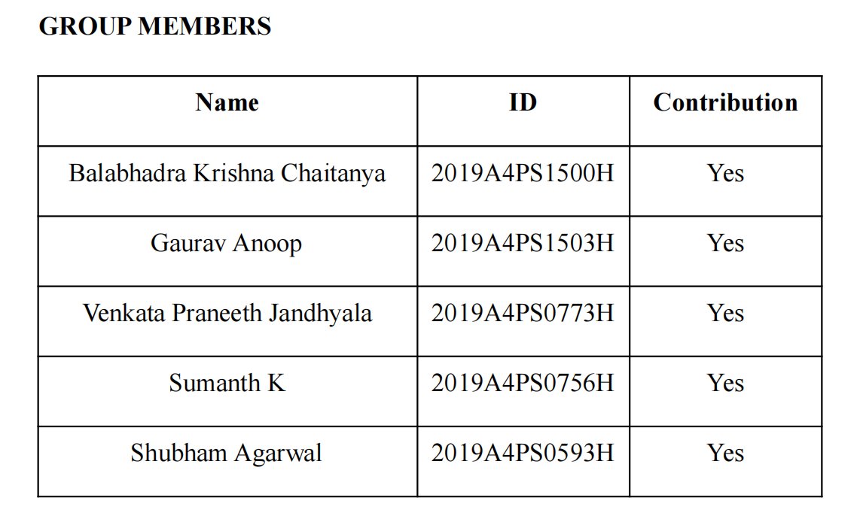
Technical and Fundamental Analysis

Graphs
Graphs
 | TATA ELXSI |  |  |  |  | Ramco Systems |  |  |  |  | Infobean Technologies
 |  | Min | Difference | Max |  |  | Min | Difference | Max |  |  | Min | Difference | Max
DCF Perpetuity growth rate |  | 6423.6389915 | 2408.8646218 | 8832.5036133 | DCF Perpetuity growth rate |  | 99.819 | 91.789 | 191.608 | DCF Perpetuity growth rate |  | 85.179 | 8.974 | 94.153
DCF Terminal EBITDA |  | 1389.2826554 | 625.27412879 | 2014.5567842 | DCF Terminal EBITDA |  | 643.582 | 185.766 | 829.348 | DCF Terminal EBITDA |  | 59.509 | 124.152 | 183.661
PE Ratio |  | 4497.02352 | 3861.19848 | 8358.222 | PE Ratio |  | 324.2006 | 107.2234 | 431.424 | PE Ratio |  | 735.577 | 82.823 | 818.4
EV/EBITDA |  | 1081.87445 | 354.07656978 | 1435.9510198 | EV/EBITDA |  | 229.41 | 374.114 | 603.524 | EV/EBITDA |  | 583.702 | 78.437 | 662.139
EV/SALES |  | 2193.860273 | 5709.0946009 | 7902.9548739 | EV/SALES |  | 178.053 | 673.289 | 851.342 | EV/SALES |  | 406.447 | 8.289 | 414.736
52 Week Low/High |  | 2991 | 6429 | 9420 | 52 Week Low/High |  | 262 | 425.25 | 687.25 | 52 Week Low/High |  | 162 | 647 | 809

Valuation of Ramco Systems
Valuation of Tata Elxsi
Valuation of Infobean

 | Larsen Tubro Infotech |  |  |  |  | TCS
 |  | Min | Difference | Max |  |  | Min | Difference | Max
DCF Perpetuity growth rate |  | 1003.169 | 299.631 | 1302.8 | DCF Perpetuity growth rate |  | 1928.124 | 133.602 | 2061.726
DCF Terminal EBITDA |  | 1257.161 | 365.91 | 1623.071 | DCF Terminal EBITDA |  | 2194.123 | 1977.215 | 4171.338
PE Ratio |  | 4710.431 | 530.369 | 5240.8 | PE Ratio |  | 1398.882 | 24.628 | 1423.51
EV/EBITDA |  | 976.93 | 645.011 | 1621.941 | EV/EBITDA |  | 1569.228 | 513.581 | 2082.809
EV/SALES |  | 2541.639 | 3329.471 | 5871.11 | EV/SALES |  | 2577.607 | 719.832 | 3297.439
52 Week Low/High |  | 3525 | 4063 | 7588 | 52 Week Low/High |  | 3004 | 1039 | 4043

Valuation of LNT
Valuation of TCS

